Graphs_From_Combined
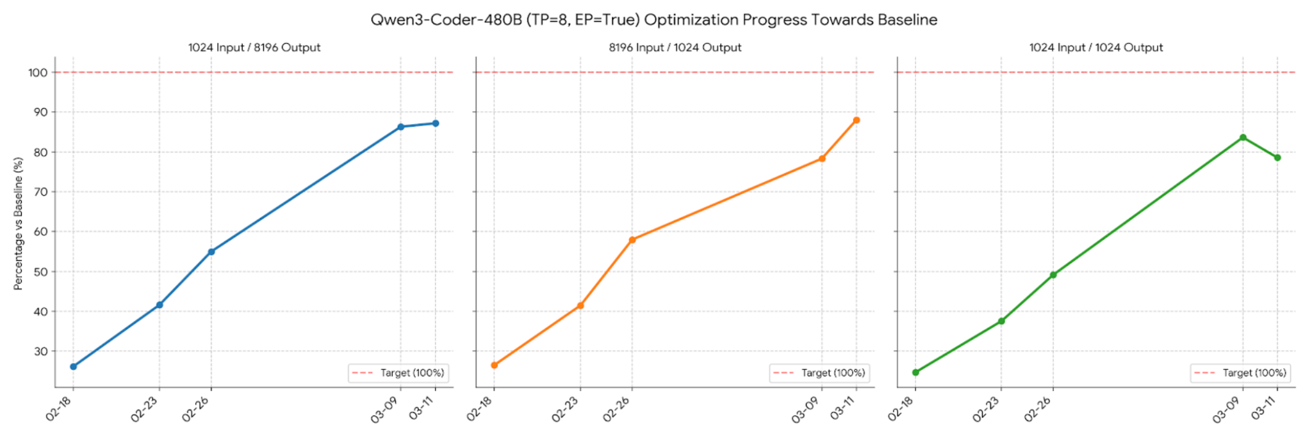

Prefill Heavy (8k/1K)
Balanced (1K/1K)

TorchTPU Throughput vs TorchAx (InferenceX, Qwen 3.0 480B)

30B | 480B

